Ansatz 1
Batch Size | Weights | Accuracy | Epochs | Date
100 | [32.59029494 33.31694531 27.09863527 1.60130232 11.53476218 18.59180688 10.35179857 9.64039541] | 0.569 | 1 | 2026-07-01 | qnn_cnot_list = [[0,1,2], [1,2, 3], [0,3,1], [3,2,0]] #Ansatz
200 | [12.62245939 12.51856516 10.84113269 6.16797041 -4.48408766 6.34579007 6.89233155 3.23203195] | 0.54 | 1 | 2026-07-01
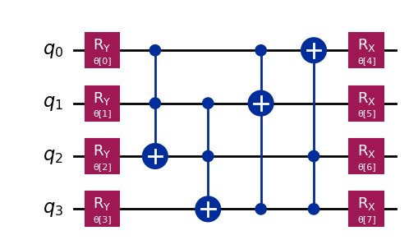
300 | [8.40224575 5.82308001 3.10383474 5.73795887 3.35685802 0.41679124 0.15484066 5.26735874] | 0.5625 | 1 | 2026-07-01
400 | [ 6.10325563 9.90651583 7.80100019 2.46137115 -0.65074459 0.19111673 0.98565534 6.63441448] | 0.6335 | 1 | 2026-07-01
500 | [ 7.76564893 7.64108201 7.84858244 1.55186153 -0.33574547 0.02754558 0.57275706 6.31969174] | 0.5995 | 1 | 2026-07-01
600 | [ 5.75502831 6.97224885 5.50170146 2.48448699 -0.24904579 0.62527998 -0.80145665 6.08876005] | 0.565 | 1 | 2026-07-01
700 | [2.905659 6.17859048 5.93623826 2.49943869 2.46316064 2.31202505 0.10689401 5.8837277 ] | 0.5885 | 1 | 2026-07-01
800 | [0.07975498 9.26084108 8.3023754 2.26392614 2.48614076 3.22543777 0.78933578 6.47991025] | 0.651 | 1 | 2026-07-01
900 | [1.86980238 5.78128688 5.64537392 2.76607486 2.70815955 2.00977343 0.35448706 5.35246134] | 0.5925 | 1 | 2026-07-01
1000 | [0.22263216 9.28544306 8.10434797 2.30492552 2.44949202 3.26783679 0.78424418 6.44118648] | 0.633 | 1 | 2026-07-01
800 | [0.55221303 8.92795077 8.18369157 2.21018604 2.37178029 3.36949659 1.01534794 6.52602228] | 0.6495 | 10 | 2026-07-01

Ansatz 2
Batch Size | Weights | Accuracy | Epochs | Date
100 | [29.51985519 39.2690197 21.02013737 8.59616202 -2.34607642 3.33505426 1.8579761 9.17717561] | 0.5585 | 1 | 2026-07-02 | qnn_cnot_list = [ [1,2, 3],[0,1,2],[0,3,1], [3,2,0]] #Ansatz
200 | [ 0.59083318 6.22981623 8.62419505 11.42641134 2.70783514 2.52335064 -0.22663494 9.90876979] | 0.5785 | 1 | 2026-07-02
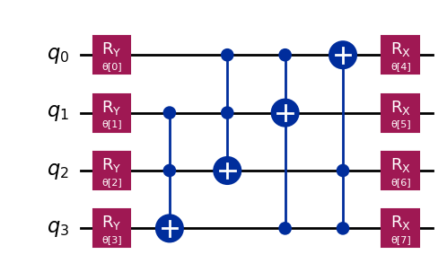
300 | [4.99927261 8.73413601 6.77544539 5.92469794 2.94457187 0.98193543 0.70796228 8.30594387] | 0.589 | 1 | 2026-07-02
400 | [ 7.05305304 6.29289097 2.04709261 5.35578417 -1.03659427 2.74334314 0.4158259 6.05045662] | 0.57 | 1 | 2026-07-02
500 | [-0.36565063 8.39087781 4.76200765 2.66742512 3.19254509 2.79789624 1.79940083 4.89244067] | 0.5945 | 1 | 2026-07-02
600 | [5.36363767 7.15079989 4.92098793 2.1459583 2.13898662 0.30203815 1.97112659 6.66858094] | 0.5585 | 1 | 2026-07-02
700 | [5.55855685 7.04701523 4.53495415 2.22387054 2.00864933 0.39288651 1.99351467 6.59629677] | 0.589 | 1 | 2026-07-02
800 | [5.1805508 6.1728426 4.51338523 2.27007239 1.55220724 0.70668545 2.10272378 6.4821612 ] | 0.635 | 1 | 2026-07-02
900 | [5.27602666 6.17312443 4.37695412 2.20426393 1.62172504 0.70228794 2.17853973 6.54594945] | 0.6325 | 1 | 2026-07-02
1000 | [4.9176593 6.32665444 4.735694 2.49124052 4.36829902 3.71651114 1.51615131 6.24567152] | 0.599 | 1 | 2026-07-02

Ansatz 3
Batch Size | Weights | Accuracy | Epochs | Date
100 | [40.67738178 36.41700528 30.41737485 21.16236933 15.5465436 10.19984572 6.81366086 14.62843632] | 0.5725 | 1 | 2026-07-02 | qnn_cnot_list = [[1,3,2],[2,0],[0,1,3],[0,2],[3,2,1]] #Ansatz
200 | [5.20346904 7.64571222 7.86447966 8.12936668 0.53548216 3.09744219 3.6059777 2.66236814] | 0.562 | 1 | 2026-07-02
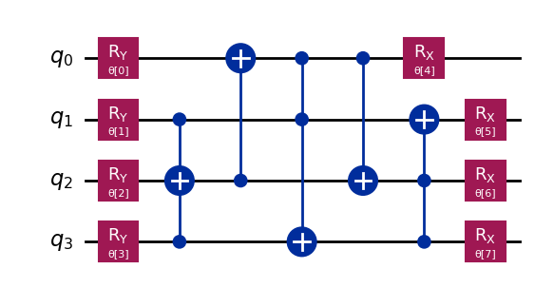
300 | [5.47318771 8.22243677 7.90109733 4.92948091 2.96651209 3.54573661 0.362453 6.52037998] | 0.5615 | 1 | 2026-07-02
400 | [ 3.21235714 14.02993826 5.61865012 4.78526266 3.45938899 2.87360067 -0.67486975 6.71077461] | 0.598 | 1 | 2026-07-02
500 | [ 2.3621894 8.35906462 5.11307003 1.49122175 2.61541432 3.55351271 -0.47966922 8.94130114] | 0.5425 | 1 | 2026-07-02
600 | [0.64288823 8.93919809 6.65402679 4.22966817 2.33871909 2.82899485 0.66689782 6.60163681] | 0.577 | 1 | 2026-07-02
700 | [ 2.30754545 8.47346585 5.32463793 1.34667758 2.45449609 3.56994533 -0.71050488 8.81915585] | 0.523 | 1 | 2026-07-02
800 | [ 3.03322539 8.83868819 6.38759768 4.52997518 -0.11597062 3.01105721 2.57675301 6.35841248] | 0.6 | 1 | 2026-07-02
900 | [ 3.00458666 8.87831157 6.37848916 4.49471872 3.01513058 3.00968785 -0.56752298 6.34491859] | 0.6055 | 1 | 2026-07-02
1000 | [2.76843893 3.58324271 6.31206194 1.74517289 0.24057543 3.09127643 0.32055417 6.06696628] | 0.6435 | 1 | 2026-07-02

Ansatz 4
Batch Size | Weights | Accuracy | Epochs | Date
100 | [25.36429056 20.13523321 20.9792632 18.75289841 1.53530716 4.68990115 5.7498917 -4.79577847] | 0.517 | 1 | 2026-07-03 | qnn_cnot_list = [[2,0],[1,3,2],[0,3],[2,1],[0,1,3],[3,0],[1,2]] #Ansatz
200 | [12.99624384 16.61922303 1.63054884 5.3341476 -1.99181761 2.22798741 5.61869235 4.72618721] | 0.536 | 1 | 2026-07-03
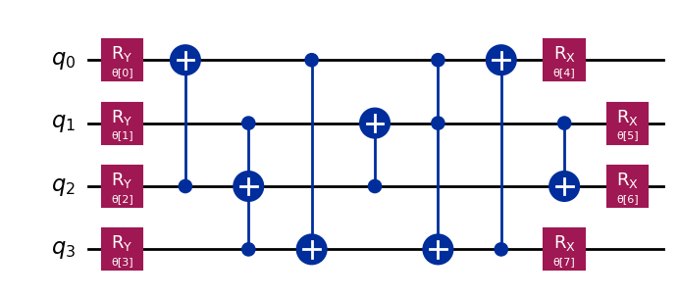
300 | [ 5.10419718 5.75791325 8.14354132 6.41952413 4.60415429 0.76511958 -0.73430077 6.0507053 ] | 0.5845 | 1 | 2026-07-03
400 | [ 1.90745098e+00 9.07585354e+00 4.74230302e+00 6.70641434e+00 -8.96604989e-03 4.61555956e+00 5.84526625e+00 7.82965109e+00] | 0.604 | 1 | 2026-07-03
500 | [ 3.68416609 10.98440496 4.60129284 2.95227894 2.34223004 2.45418808 -0.08095919 3.69691371] | 0.578 | 1 | 2026-07-03
600 | [ 2.12228531 6.02763268 4.82027131 6.38102259 3.19913194 4.11733251 -0.76896454 5.06282188] | 0.5775 | 1 | 2026-07-03
700 | [ 5.24576143 7.02109381 4.39053621 6.73887065 3.33979436 0.91920187 -2.34600083 4.96958666] | 0.5885 | 1 | 2026-07-03
800 | [ 1.92524082 8.97623886 4.68257253 6.63166042 3.2806317 1.48650087 -0.67945997 7.60924296] | 0.6115 | 1 | 2026-07-03
900 | [1.68893631 5.71260589 4.80022329 6.46117991 0.10300947 0.70262662 2.27651152 7.86415692] | 0.5845 | 1 | 2026-07-03
1000 | [ 1.63354392 12.03207944 4.94845812 0.11366924 0.10270067 0.66938447 2.26621363 7.81391849] | 0.5875 | 1 | 2026-07-03

Ansatz 5
Batch Size | Weights | Accuracy | Epochs | Date
100 | [26.9135016 35.32490131 6.32580265 20.02685778 7.23560072 -3.52277173 3.28041231 -0.15392897] | 0.556 | 1 | 2026-07-04 | qnn_cnot_list = [[2,0],[1,3,2],[0,3],[3,1],[0,1,3],[2,0],[1,2]] #Ansatz
200 | [11.56518228 5.29242555 5.57778928 5.61875731 0.69526064 3.24588148 0.03150525 6.60536184] | 0.588 | 1 | 2026-07-04
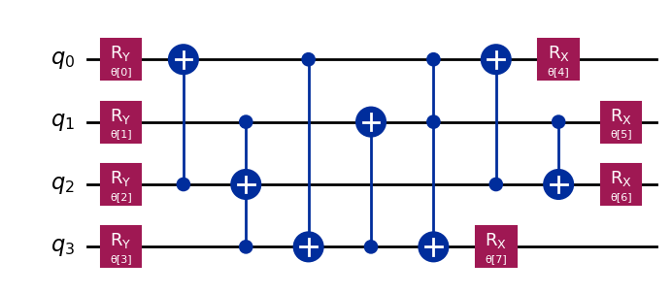
300 | [ 1.30901555 12.70371099 4.94886519 1.58160341 -0.35517451 4.01105287 3.02144685 6.77515436] | 0.6255 | 1 | 2026-07-04
400 | [ 4.05420056e+00 6.90953316e+00 4.89419523e+00 4.74297994e+00 3.96602205e-01 2.37228650e+00 -1.49563640e-03 5.78872884e+00] | 0.6315 | 1 | 2026-07-04
500 | [4.47984002 6.10621735 5.28043438 4.74559732 0.17663915 2.78009857 0.32616121 6.36058362] | 0.6235 | 1 | 2026-07-04
600 | [5.32652662 5.24959698 5.56241381 5.63149611 0.67916345 3.24448535 0.01693119 6.61842501] | 0.5875 | 1 | 2026-07-04
700 | [ 4.50431972 6.88363172 4.76671137 4.66647867 3.42786115 -0.85586685 0.017198 5.64092813] | 0.6195 | 1 | 2026-07-04
800 | [3.8866432 5.77645982 4.61195461 4.87860493 3.42544946 0.19175872 0.33209467 6.80582427] | 0.6575 | 1 | 2026-07-04
900 | [ 0.8108877 5.77284477 7.78178891 4.90965753 2.85256783 -0.19505931 -0.32458943 6.84004675] | 0.6605 | 1 | 2026-07-04
1000 | [1.75234865 8.14041648 4.73581194 6.43496111 1.81519158 2.1965449 0.33181091 6.73413988] | 0.6115 | 1 | 2026-07-04
800 | [-0.02929907 5.05175544 7.69757757 4.93388143 2.68845305 -0.51523181 -0.15060704 6.86076352] | 0.662 | 5 | 2026-07-04

Ansatz 6
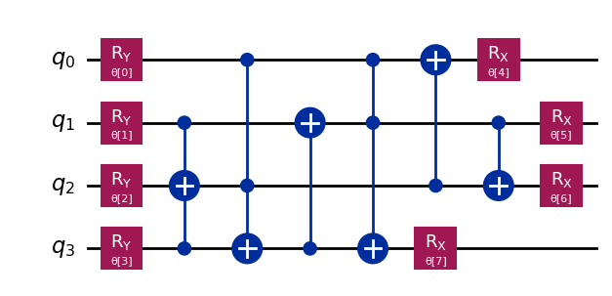
Batch Size | Weights | Accuracy | Epochs | Date
100 | [27.2137362 24.87923484 17.61752126 -0.35138558 6.75182973 4.67184577 -1.51810118 2.82298782] | 0.586 | 1 | 2026-07-05 | qnn_cnot_list = [[1,3,2],[0,2, 3],[3,1],[0,1,3],[2,0],[1,2]] #Ansatz
200 | [12.33262077 19.78612907 5.06461401 4.30703947 -2.27045745 -0.17960322 -5.11317905 6.39660041] | 0.629 | 1 | 2026-07-05
300 | [ 4.84781253e+00 2.33482721e+01 4.95678860e+00 4.23315546e+00 2.44225776e+00 -1.95279079e-02 -1.07944439e+00 6.24759253e+00] | 0.6195 | 1 | 2026-07-05
400 | [ 2.37919916 10.07122028 4.47679639 3.93132376 0.92089396 -0.27550156 -2.05073036 5.67268949] | 0.6575 | 1 | 2026-07-05
500 | [ 3.48870015 10.04142413 4.94729747 4.98728577 2.64035233 -0.45200375 -0.44177094 6.18113888] | 0.6175 | 1 | 2026-07-05
600 | [ 2.20381773 8.29552851 4.42181846 3.57970145 1.69985126 -0.13187407 -1.80112656 5.7295515 ] | 0.6285 | 1 | 2026-07-05
700 | [ 2.86452806 8.87363836 4.69953906 3.8885138 1.72750756 -0.19351928 -1.47219949 5.94086758] | 0.6495 | 1 | 2026-07-05
800 | [ 3.24668934 9.05484503 5.01787488 4.34169333 2.17230423 -0.30610051 -0.91778994 6.15386057] | 0.629 | 1 | 2026-07-05
900 | [ 3.21948531 8.75025902 5.04600875 4.18099818 2.06808155 -0.2733596 -1.07842862 6.1501673 ] | 0.634 | 1 | 2026-07-05
1000 | [ 3.29440575 8.59752067 5.02668639 4.15301634 2.12051168 -0.13559095 -1.05776556 6.1552416 ] | 0.6315 | 1 | 2026-07-05

Ansatz 7
Batch Size | Weights | Accuracy | Epochs | Date
100 | [ 33.75894566 24.7671165 21.57934483 -1.16717191 2.46440502 -12.58451338 2.74789318 8.14808176] | 0.5695 | 1 | 2026-07-05 | qnn_cnot_list = [[0,2,3],[1,3,2],[3,1],[2,0],[0,1,3],[1,2]]
200 | [ 9.35287112 18.5754075 7.56061668 1.15205088 -0.35301321 1.03194383 -0.71520588 6.61955236] | 0.5255 | 1 | 2026-07-05
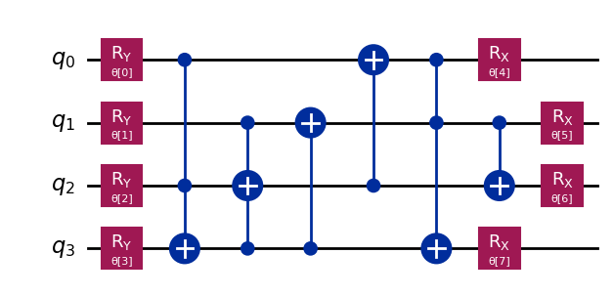
300 | [ 0.36532783 8.76927904 7.14586791 5.30492663 -0.58814253 0.28372372 3.5286147 6.16671212] | 0.5805 | 1 | 2026-07-05
400 | [-2.73022188e-03 7.61265777e+00 7.11155061e+00 4.27724892e+00 2.65418001e+00 -5.04935816e-01 3.81875430e-01 6.54759416e+00] | 0.568 | 1 | 2026-07-05
500 | [ 4.55925572 12.03539914 4.85425209 4.54154817 3.70260199 0.54651568 0.64774172 6.33901099] | 0.5875 | 1 | 2026-07-05
600 | [ 6.1219448 6.76403541 3.99651613 5.78376715 3.50481511 0.75778866 -0.32190283 6.05297792] | 0.59 | 1 | 2026-07-05
700 | [ 0.19840838 7.91960867 0.87736803 4.48949032 2.47672006 -0.38317962 0.47431993 6.49777804] | 0.5595 | 1 | 2026-07-05
800 | [4.72216154 5.71802382 4.767606 4.63984926 3.74236808 0.547659 0.68648175 6.24149707] | 0.6115 | 1 | 2026-07-05
900 | [ 1.80238697 6.20371545 2.79218012 4.56474491 2.98418349 0.09921985 -0.16343837 5.44185803] | 0.6195 | 1 | 2026-07-05
1000 | [ 1.75250376 6.17823607 2.74985727 4.52964154 3.07327301 0.01645799 -0.23258513 5.43529467] | 0.615 | 1 | 2026-07-05

Ansatz 8
Batch Size | Weights | Accuracy | Epochs | Date
100 | [20.57004186 32.75028942 28.56802017 26.17956236 9.18670211 5.45067898 6.5466581 15.87595464] | 0.547 | 1 | 2026-07-07 | qnn_cnot_list = [[1,3,2],[0,3],[3,1],[1,2],[0,2,1],[1,3],[2,0],[3,0]] #Ansatz
200 | [ 8.265377 11.94393617 5.10435681 7.27624239 2.4620648 4.69479704 -1.88448471 2.50631576] | 0.592 | 1 | 2026-07-07
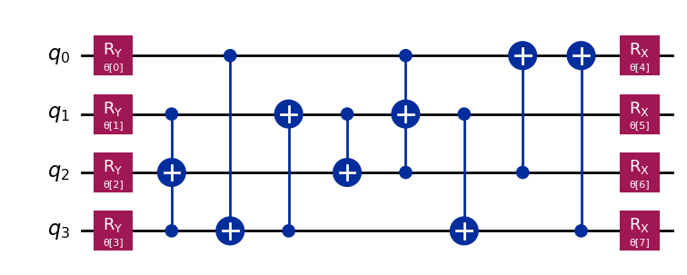
300 | [ 6.98158174 5.20867514 9.3999842 0.92367751 -0.21838365 -1.08069985 0.47585126 7.88802301] | 0.561 | 1 | 2026-07-07
400 | [ 2.71388276 3.91089292 5.9205215 -0.69853849 3.18644856 3.07013449 -0.31392698 6.82343098] | 0.591 | 1 | 2026-07-07
500 | [ 6.52882379 10.38088014 6.47473757 2.61605158 1.91614329 -0.70257665 1.28379357 4.86028995] | 0.6035 | 1 | 2026-07-07
600 | [ 2.11251518 5.52859654 6.49908431 5.21716058 3.88254812 3.89432235 -1.05070311 6.42367251] | 0.5145 | 1 | 2026-07-07
700 | [ 1.95707522 5.06204021 5.87205822 5.60259939 3.60837817 0.2844315 -0.70214248 3.59878974] | 0.547 | 1 | 2026-07-07
800 | [ 2.95522571 5.7462913 6.24338556 5.35472453 2.82673089 2.85462103 -0.26051721 6.74964683] | 0.5965 | 1 | 2026-07-07
900 | [-0.98644169 9.02774057 6.55304279 0.05378308 3.05656904 0.31349305 1.29477425 6.95631141] | 0.588 | 1 | 2026-07-07
1000 | [ 3.03666416 5.96139985 6.27120615 5.34554449 2.81255039 -0.34327073 -0.11873538 3.51543093] | 0.606 | 1 | 2026-07-07

Ansatz 9
Batch Size | Weights | Accuracy | Epochs | Date
100 | [15.88604139 28.40999993 13.12144266 10.95676191 2.24262568 2.87455179 -3.2400921 0.51472938] | 0.654 | 1 | 2026-07-07 | qnn_cnot_list = [[2,0],[1,3,2],[0,3],[3,1],[0,2,3],[2,0],[1,2]] #Ansatz
200 | [ 9.95919978 21.63969479 6.72260559 4.49595654 -0.74103426 2.57881983 -0.2234241 6.69507573] | 0.6515 | 1 | 2026-07-07
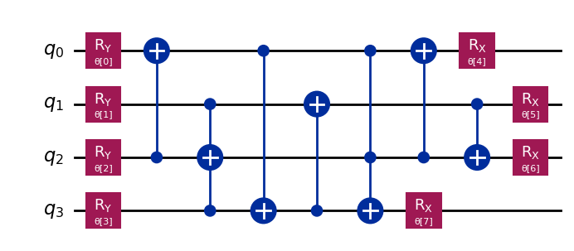
300 | [ 5.83327911 8.42498227 6.17954576 5.17789989 0.57868631 2.28632327 -0.32535668 5.86188782] | 0.581 | 1 | 2026-07-07
400 | [ 3.66970213 9.26293739 6.04436598 1.60918823 2.97614338 2.72848509 -0.44728977 6.28425848] | 0.6635 | 1 | 2026-07-07
500 | [3.17686062 5.94111407 6.29850413 4.55936154 0.08719092 2.99887712 0.08430641 6.72427807] | 0.6635 | 1 | 2026-07-07
600 | [ 3.09824705 6.13887104 6.65827843 4.48792528 0.53471101 3.32368516 -0.14415062 6.88162991] | 0.6475 | 1 | 2026-07-07
700 | [ 3.65723194 9.2634665 6.81042211 4.71068624 -0.37936798 -0.49690653 -0.4044269 3.50156417] | 0.6475 | 1 | 2026-07-07
800 | [3.34989251 6.04174056 6.36690191 4.437877 0.11593447 2.97528582 0.04435981 6.77808655] | 0.6545 | 1 | 2026-07-07
900 | [ 3.34894869 6.05297088 6.37296923 4.43371982 3.25781795 -0.16609133 0.04133269 6.78202008] | 0.656 | 1 | 2026-07-07
1000 | [ 3.68961917 9.26701803 6.71122529 4.69889141 -0.38825696 -0.40966838 -0.28105324 3.43269263] | 0.6545 | 1 | 2026-07-07

Sheet3
Batch Size | Weights | Accuracy | Epochs | Date
100 | [33.81762278 54.57148842 26.02431811 18.72955435 11.23138184 6.62564894 12.36852474 -1.78828083] | 0.545 | 1 |  | qnn_cnot_list = [[2,0],[1,3,2],[0,3],[3,1],[0,2,3],[2,0],[1,2],[0,2,1]] #Ansatz
200 | [13.32065256 12.3760699 6.77425276 2.41531202 -0.48315926 6.54978257 -2.24217139 3.98684611] | 0.5795 | 1
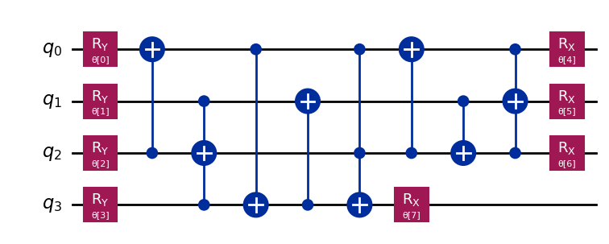
300 | [3.31874807 6.4516531 8.66542677 5.57545146 2.77549905 2.75008321 2.19792846 4.00546144] | 0.589 | 1
400 | [ 6.34951162 11.55112361 3.13240657 3.01703658 0.20176385 0.11628449 -2.24462206 5.22271543] | 0.599 | 1
500 | [ 6.9977096 8.1451797 6.08408574 6.07387672 -1.69831612 2.22796867 3.22516479 5.80677302] | 0.605 | 1
600 | [2.82986108 3.6306986 5.85450774 6.35698611 3.34864281 2.90500216 1.05805369 4.31077297] | 0.5985 | 1
700 | [ 2.81800289 10.66206458 5.41512656 6.04499075 3.0231585 2.49577889 1.0964625 4.44139996] | 0.5895 | 1
800 | [ 3.20469771 6.54220336 4.1096374 3.52357938 3.2113604 3.76776946 -0.52734028 5.18378243] | 0.609 | 1
900 | [ 3.20796118 6.54675247 4.09392236 3.53499638 0.07338924 0.63015648 -0.53625201 5.19127887] | 0.606 | 1
1000 | [ 3.2217624 6.55319282 4.09605912 3.47155549 0.07226421 0.62556741 -0.46682798 5.17710579] | 0.6125 | 1

